Test data
Sample text in English | “Although the defendant claimed innocence, the evidence presented in court painted a different picture.” Here, we witness the magic of a complex sentence as it effortlessly weaves together an independent clause (“the evidence presented in court painted a different picture”) and a dependent clause (“Although the defendant claimed innocence”).
Sample text in Sinhala | ලෝරීම් ඉප්සම් යනු සරලව මුද්‍රණ හා අකුරු ඇමිනුම් කර්මාන්තයේ උදාහරණ අකුරු පෙළ වෙයි. 1500 ගණන්වල සිට මේ දක්වා ලෝරම් ඉප්සම් කර්මාන්තයේ සම්මත අකුරු පෙළ ලෙස භාවිතා වන්නට පටන් ගත්තේ නාඳුනන මුද්රණ ශිල්පියෙකු යම් අපුරු මිශ්‍රණයක් රැගෙන ඒවායෙන් අකුරු ආදර්ශ පොතක් සෑදීමට ගත් පසුවය . එය ශතවර්ශ පහක් පමණ නොවී පැමිණ ඉලෙක්ට්‍රොනික යුගයටද පිවිසුණි . 1960 දී ලෝරම් ඉප්සම් කොටස් අඩංගු තහඩු නිදහස් කිරීමත් සමඟ ජනප්‍රිය වන්නට පටන් ගෙන මෑතකදී පේජ් මේකර් වැනි මෘදුකාංග සමඟ ද පැමිණීම නිසා ලෝක ප්‍රසිද්ධියට පත්විය.
Saple text for edge case input | TODOTODOTOD
Sample text with all the punctuation marks | Girl: Dad, what's the naughtiest thing you've ever done? Father: I once stole £5 from grandma's purse; I spent it on sweets. Girl: Oh my gosh!
Sample text with special characters | Mary got paid $1000 for her work at Look.lk, but she had to return 10% of it as a commission*. Manager & the owner (manager’s wife) were pleased with her work. Manager complimented Sara as “Clever girl!”. The office is located at #12 in City building. One could take the steps/elevator to reach the floor.
Sample text with diatrics | São Paulo learnèd about the pādā from the élevàtor ôperàtor when he went to buy a envelope façade from the bookshop near the café.
Image with 'English' text on it from the clipboard | 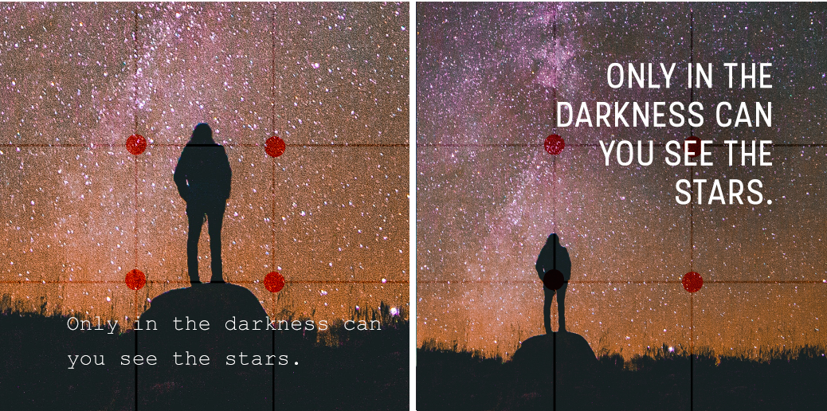
Sample Sentences for Dagur | tad-ni: nau-4 ir-yu arin-d bi: uJkan a:-san-bi
test idiom | Break a leg
sample web site | https://www.piaotia.com/
test document | https://drive.google.com/file/d/1jEQQEdD6pZY29hez_Hk_AiQmJnbfjI94/view?usp=drive_link

